Global CCS Database
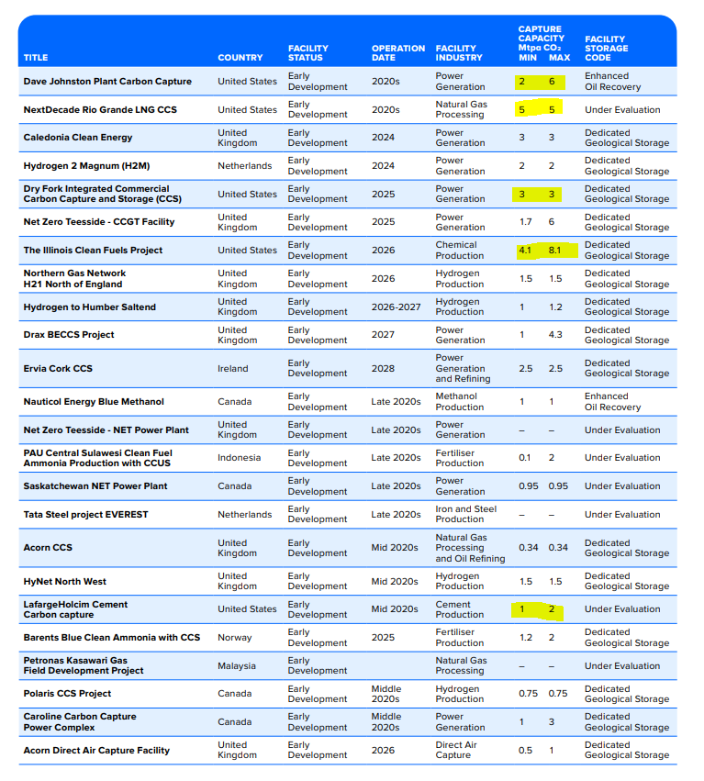
Data in columns A:E is compiled using the CCS Institute Table 5 (pictured starting in column G). Only projects based in the United States are listed here.
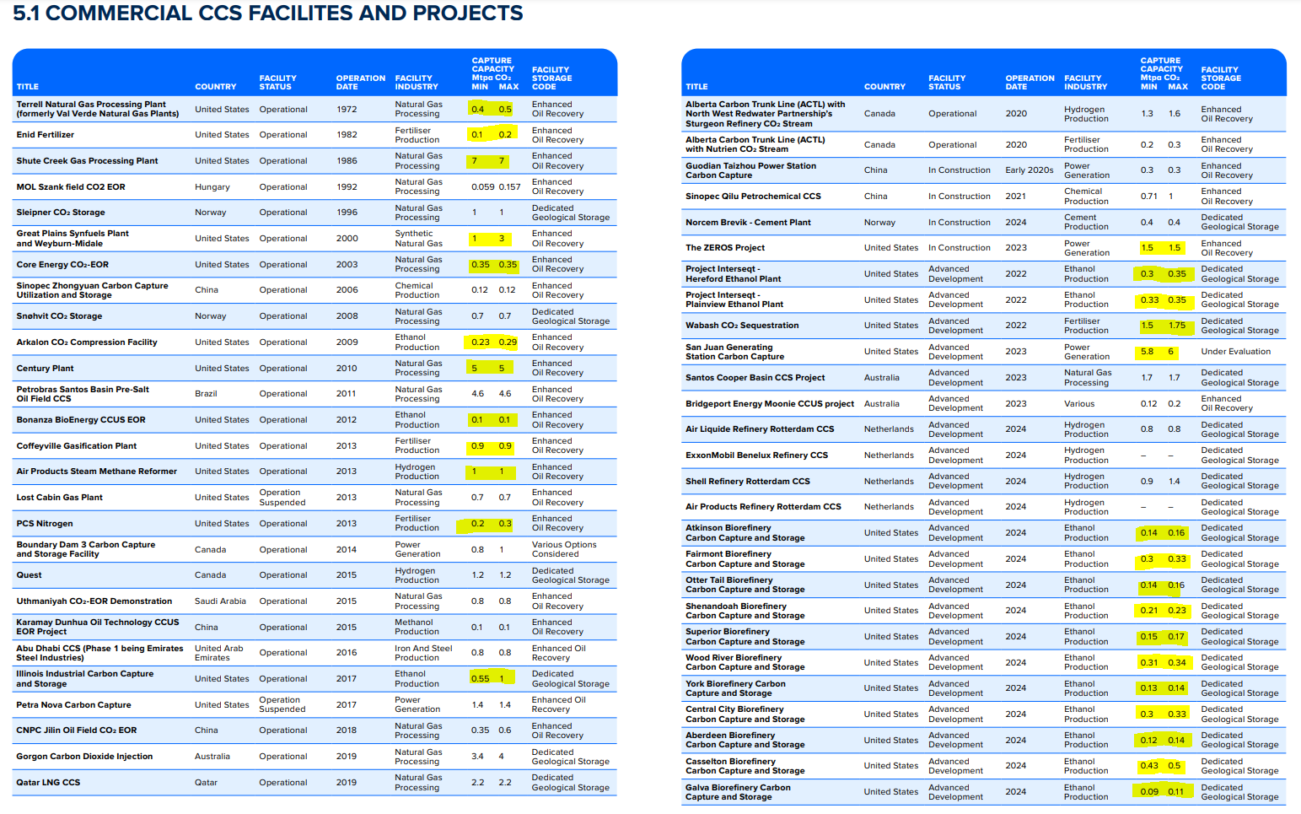
Minimum Capture Capacity (million tons of CO2 abatement per year) | Maximum Capture Capacity (million tons of CO2 abatement per year) | Average Capture Capacity (million tons of CO2 abatement per year) | Start Year | EPS Industry Category or Plant Type
0.4 | 0.5 | 0.45 | 1972 | energy pipelines and gas processing 352T353
0.1 | 0.2 | 0.15 | 1982 | chemicals 20
7 | 7 | 7 | 1986 | energy pipelines and gas processing 352T353
1 | 3 | 2 | 2000 | chemicals 20
0.35 | 0.35 | 0.35 | 2003 | energy pipelines and gas processing 352T353
0.23 | 0.29 | 0.26 | 2009 | chemicals 20
5 | 5 | 5 | 2010 | energy pipelines and gas processing 352T353
0.1 | 0.1 | 0.1 | 2012 | chemicals 20
0.9 | 0.9 | 0.9 | 2013 | chemicals 20
1 | 1 | 1 | 2013
0.2 | 0.3 | 0.25 | 2013 | chemicals 20
0.55 | 1 | 0.775 | 2017 | chemicals 20
1.5 | 1.5 | 1.5 | 2023 | Electricity
0.3 | 0.35 | 0.325 | 2022 | chemicals 20
0.33 | 0.35 | 0.34 | 2022 | chemicals 20
1.5 | 1.75 | 1.625 | 2022 | chemicals 20
5.8 | 6 | 5.9 | 2023 | Electricity
0.14 | 0.16 | 0.15 | 2024 | chemicals 20
0.3 | 0.33 | 0.315 | 2024 | chemicals 20
0.14 | 0.16 | 0.15 | 2024 | chemicals 20
0.21 | 0.23 | 0.22 | 2024 | chemicals 20
0.15 | 0.17 | 0.16 | 2024 | chemicals 20
0.31 | 0.34 | 0.325 | 2024 | chemicals 20
0.13 | 0.14 | 0.135 | 2024 | chemicals 20
0.3 | 0.33 | 0.315 | 2024 | chemicals 20
0.12 | 0.14 | 0.13 | 2024 | chemicals 20
0.43 | 0.5 | 0.465 | 2024 | chemicals 20
0.09 | 0.11 | 0.1 | 2024 | chemicals 20
0.18 | 0.22 | 0.2 | 2024 | chemicals 20
0.29 | 0.34 | 0.315 | 2024 | chemicals 20
0.15 | 0.18 | 0.165 | 2024 | chemicals 20
0.16 | 0.19 | 0.175 | 2024 | chemicals 20
0.08 | 0.09 | 0.085 | 2024 | chemicals 20
0.13 | 0.16 | 0.145 | 2024 | chemicals 20
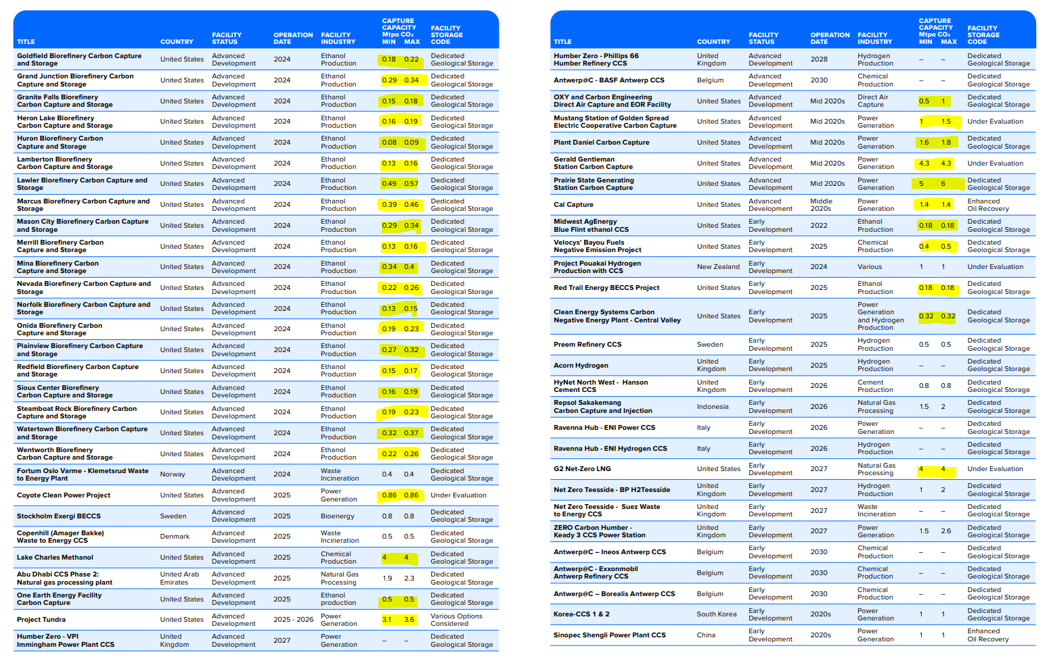
0.49 | 0.57 | 0.53 | 2024 | chemicals 20
0.39 | 0.46 | 0.425 | 2024 | chemicals 20
0.29 | 0.34 | 0.315 | 2024 | chemicals 20
0.13 | 0.16 | 0.145 | 2024 | chemicals 20
0.34 | 0.4 | 0.37 | 2024 | chemicals 20
0.22 | 0.26 | 0.24 | 2024 | chemicals 20
0.13 | 0.15 | 0.14 | 2024 | chemicals 20
0.19 | 0.23 | 0.21 | 2024 | chemicals 20
0.27 | 0.32 | 0.295 | 2024 | chemicals 20
0.15 | 0.17 | 0.16 | 2024 | chemicals 20
0.16 | 0.19 | 0.175 | 2024 | chemicals 20
0.19 | 0.23 | 0.21 | 2024 | chemicals 20
0.32 | 0.37 | 0.345 | 2024 | chemicals 20
0.22 | 0.26 | 0.24 | 2024 | chemicals 20
0.86 | 0.86 | 0.86 | 2025 | Electricity
4 | 4 | 4 | 2025 | chemicals 20
0.5 | 0.5 | 0.5 | 2025 | chemicals 20
3.1 | 3.6 | 3.35 | 2026 | Electricity
0.5 | 1 | 0.75 | 2025
1 | 1.5 | 1.25 | 2025 | Electricity
1.6 | 1.8 | 1.7 | 2025 | Electricity
4.3 | 4.3 | 4.3 | 2025 | Electricity
5 | 6 | 5.5 | 2025 | Electricity
1.4 | 1.4 | 1.4 | 2025 | Electricity
0.18 | 0.18 | 0.18 | 2022 | chemicals 20
0.4 | 0.5 | 0.45 | 2025 | chemicals 20
0.18 | 0.18 | 0.18 | 2025 | chemicals 20
0.32 | 0.32 | 0.32 | 2025 | Electricity
4 | 4 | 4 | 2027 | energy pipelines and gas processing 352T353
2 | 6 | 4 | 2025 | Electricity
5 | 5 | 5 | 2025 | energy pipelines and gas processing 352T353
3 | 3 | 3 | 2025 | Electricity
4.1 | 8.1 | 6.1 | 2026 | chemicals 20
1 | 2 | 1.5 | 2025 | cement and other nonmetallic minerals 239

Rhodium
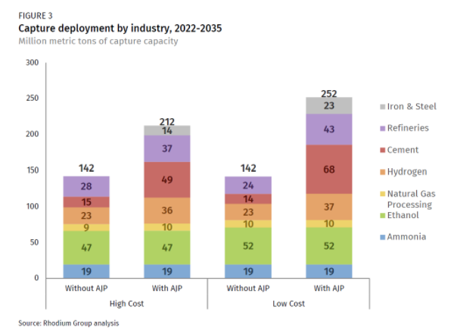

The potentials below use the "Without AJP" values from Figure 3 above and are presented as MMT of capture capacity.

agriculture and forestry 01T03
coal mining 05
oil and gas extraction 06
other mining and quarrying 07T08
food beverage and tobacco 10T12
textiles apparel and leather 13T15
wood products 16
pulp paper and printing 17T18
refined petroleum and coke 19 | 28
chemicals 20 | 66
rubber and plastic products 22
glass and glass products 231
cement and other nonmetallic minerals 239 | 15
iron and steel 241
other metals 242
metal products except machinery and vehicles 25
computers and electronics 26
appliances and electrical equipment 27
other machinery 28
road vehicles 29
nonroad vehicles 30
other manufacturing 31T33
energy pipelines and gas processing 352T353 | 9
water and waste 36T39
construction 41T43

BAU Calculations
CCS Capacity by Year (tons CO2)
 | 2018 | 2019 | 2020 | 2021 | 2022 | 2023 | 2024 | 2025 | 2026 | 2027 | 2028 | 2029 | 2030 | 2031 | 2032 | 2033 | 2034 | 2035 | 2036 | 2037 | 2038 | 2039 | 2040 | 2041 | 2042 | 2043 | 2044 | 2045 | 2046 | 2047 | 2048 | 2049 | 2050
refined petroleum and coke 19 | 0.00E+00 | 0.00E+00 | 0.00E+00 | 0.00E+00 | 0.00E+00 | 0.00E+00 | 0.00E+00 | 0.00E+00 | 0.00E+00 | 0.00E+00
chemicals 20 | 4.44E+00 | 4.44E+00 | 4.44E+00 | 4.44E+00 | 6.91E+00 | 6.91E+00 | 1.43E+01 | 1.94E+01 | 2.55E+01 | 2.55E+01
cement and other nonmetallic minerals 239 | 0.00E+00 | 0.00E+00 | 0.00E+00 | 0.00E+00 | 0.00E+00 | 0.00E+00 | 0.00E+00 | 1.50E+00 | 1.50E+00 | 1.50E+00
energy pipelines and gas processing 352T353 | 1.28E+01 | 1.28E+01 | 1.28E+01 | 1.28E+01 | 1.28E+01 | 1.28E+01 | 1.28E+01 | 1.78E+01 | 1.78E+01 | 2.18E+01
Annual CO2 Capture (tons/yr) Through 2026

The database only includes projects coming online through 2027. We will assume that the overall increase in capacity
after 2027 follows a linear trend based on the 2018-2027 period.
We don't want to model these values exactly, as the timeline for each future project is uncertain. We just want to get
a general idea of the rate of increase. Therefore, we will use a trendline extending across the whole period, which will
provide a smooth increase in potential and avoid discontinuities in output graphs.

For the period of 2027-2035, we use a linear trend based on growth forecasted by Rhodium.
Afte 2035, we hold CCS constant (based both on the uncertainty of projecting growth past
this point and the fact that 45Q tax credits will expire).

 | 2027 | 2035
refined petroleum and coke 19 | 0.00E+00 | 2.80E+01
chemicals 20 | 2.55E+01 | 6.60E+01
cement and other nonmetallic minerals 239 | 1.50E+00 | 1.50E+01
energy pipelines and gas processing 352T353 | 2.18E+01 | 9.00E+00

 | 2018 | 2019 | 2020 | 2021 | 2022 | 2023 | 2024 | 2025 | 2026 | 2027 | 2028 | 2029 | 2030 | 2031 | 2032 | 2033 | 2034 | 2035 | 2036 | 2037 | 2038 | 2039 | 2040 | 2041 | 2042 | 2043 | 2044 | 2045 | 2046 | 2047 | 2048 | 2049 | 2050
refined petroleum and coke 19 | 0.00E+00 | 0.00E+00 | 0.00E+00 | 0.00E+00 | 0.00E+00 | 0.00E+00 | 0.00E+00 | 0.00E+00 | 0.00E+00 | 0.00E+00 | 3.50E+00 | 7.00E+00 | 1.05E+01 | 1.40E+01 | 1.75E+01 | 2.10E+01 | 2.45E+01 | 2.80E+01 | 2.80E+01 | 2.80E+01 | 2.80E+01 | 2.80E+01 | 2.80E+01 | 2.80E+01 | 2.80E+01 | 2.80E+01 | 2.80E+01 | 2.80E+01 | 2.80E+01 | 2.80E+01 | 2.80E+01 | 2.80E+01 | 2.80E+01
chemicals 20 | 0.00E+00 | 2.52E+00 | 5.04E+00 | 7.56E+00 | 1.01E+01 | 1.26E+01 | 1.51E+01 | 1.76E+01 | 2.02E+01 | 2.55E+01 | 3.05E+01 | 3.56E+01 | 4.07E+01 | 4.57E+01 | 5.08E+01 | 5.59E+01 | 6.09E+01 | 6.60E+01 | 6.60E+01 | 6.60E+01 | 6.60E+01 | 6.60E+01 | 6.60E+01 | 6.60E+01 | 6.60E+01 | 6.60E+01 | 6.60E+01 | 6.60E+01 | 6.60E+01 | 6.60E+01 | 6.60E+01 | 6.60E+01 | 6.60E+01
cement and other nonmetallic minerals 239 | 0.00E+00 | 0.00E+00 | 0.00E+00 | 1.58E-01 | 3.33E-01 | 5.08E-01 | 6.83E-01 | 8.58E-01 | 1.03E+00 | 1.50E+00 | 3.19E+00 | 4.88E+00 | 6.56E+00 | 8.25E+00 | 9.94E+00 | 1.16E+01 | 1.33E+01 | 1.50E+01 | 1.50E+01 | 1.50E+01 | 1.50E+01 | 1.50E+01 | 1.50E+01 | 1.50E+01 | 1.50E+01 | 1.50E+01 | 1.50E+01 | 1.50E+01 | 1.50E+01 | 1.50E+01 | 1.50E+01 | 1.50E+01 | 1.50E+01
energy pipelines and gas processing 352T353 | 1.16E+01 | 1.22E+01 | 1.27E+01 | 1.33E+01 | 1.39E+01 | 1.45E+01 | 1.51E+01 | 1.57E+01 | 1.62E+01 | 1.68E+01 | 1.74E+01 | 1.80E+01 | 1.86E+01 | 1.92E+01 | 1.97E+01 | 2.03E+01 | 2.09E+01 | 2.15E+01 | 2.15E+01 | 2.15E+01 | 2.15E+01 | 2.15E+01 | 2.15E+01 | 2.15E+01 | 2.15E+01 | 2.15E+01 | 2.15E+01 | 2.15E+01 | 2.15E+01 | 2.15E+01 | 2.15E+01 | 2.15E+01 | 2.15E+01
Annual CO2 Capture (tons/yr) Linear Trend Through 2050

EPS-US 3.1.1 BAU Model Run Results (grams CO2)
Industry Sector
Time (Time) | 2020 | 2021 | 2022 | 2023 | 2024 | 2025 | 2026 | 2027 | 2028 | 2029 | 2030 | 2031 | 2032 | 2033 | 2034 | 2035 | 2036 | 2037 | 2038 | 2039 | 2040 | 2041 | 2042 | 2043 | 2044 | 2045 | 2046 | 2047 | 2048 | 2049 | 2050 | 2050
Process Emissions before CCS[refined petroleum and coke 19,CO2] : MostRecentRun | 4.16E+13 | 4.20E+13 | 4.33E+13 | 4.64E+13 | 4.94E+13 | 5.14E+13 | 5.14E+13 | 5.16E+13 | 5.16E+13 | 5.22E+13 | 5.28E+13 | 5.27E+13 | 5.28E+13 | 5.26E+13 | 5.25E+13 | 5.24E+13 | 5.23E+13 | 5.28E+13 | 5.30E+13 | 5.33E+13 | 5.35E+13 | 5.35E+13 | 5.34E+13 | 5.36E+13 | 5.38E+13 | 5.38E+13 | 5.34E+13 | 5.32E+13 | 5.31E+13 | 5.27E+13 | 5.25E+13 | 4.55E+14
Process Emissions before CCS[chemicals 20,CO2] : MostRecentRun | 5.88E+13 | 5.91E+13 | 6.13E+13 | 6.18E+13 | 6.38E+13 | 6.57E+13 | 6.69E+13 | 6.81E+13 | 6.93E+13 | 7.05E+13 | 7.16E+13 | 7.28E+13 | 7.40E+13 | 7.52E+13 | 7.64E+13 | 7.76E+13 | 7.88E+13 | 8.00E+13 | 8.12E+13 | 8.24E+13 | 8.36E+13 | 8.48E+13 | 8.60E+13 | 8.72E+13 | 8.84E+13 | 8.96E+13 | 9.08E+13 | 9.20E+13 | 9.32E+13 | 9.44E+13 | 9.56E+13 | 4.00E+14
Process Emissions before CCS[cement and other nonmetallic minerals 239,CO2] : MostRecentRun | 6.16E+13 | 6.09E+13 | 6.33E+13 | 6.47E+13 | 6.61E+13 | 6.77E+13 | 6.87E+13 | 6.97E+13 | 7.07E+13 | 7.17E+13 | 7.27E+13 | 7.36E+13 | 7.46E+13 | 7.56E+13 | 7.66E+13 | 7.76E+13 | 7.86E+13 | 7.96E+13 | 8.06E+13 | 8.16E+13 | 8.26E+13 | 8.36E+13 | 8.46E+13 | 8.56E+13 | 8.66E+13 | 8.76E+13 | 8.86E+13 | 8.96E+13 | 9.06E+13 | 9.16E+13 | 9.26E+13
Process Emissions before CCS[energy pipelines and gas processing 352T353,CO2] : MostRecentRun | 7.97E+13 | 6.58E+13 | 6.84E+13 | 7.56E+13 | 8.16E+13 | 8.54E+13 | 8.52E+13 | 8.57E+13 | 8.53E+13 | 8.72E+13 | 8.87E+13 | 8.89E+13 | 8.90E+13 | 8.86E+13 | 8.86E+13 | 8.84E+13 | 8.77E+13 | 8.92E+13 | 8.94E+13 | 9.02E+13 | 9.07E+13 | 9.05E+13 | 9.03E+13 | 9.09E+13 | 9.17E+13 | 9.18E+13 | 9.07E+13 | 9.02E+13 | 8.98E+13 | 8.88E+13 | 8.81E+13

Time (Time) | 2.02E+03 | 2.02E+03 | 2.02E+03 | 2.02E+03 | 2.02E+03 | 2.02E+03 | 2.03E+03 | 2.03E+03 | 2.03E+03 | 2.03E+03 | 2.03E+03 | 2.03E+03 | 2.03E+03 | 2.03E+03 | 2.03E+03 | 2.04E+03 | 2.04E+03 | 2.04E+03 | 2.04E+03 | 2.04E+03 | 2.04E+03 | 2.04E+03 | 2.04E+03 | 2.04E+03 | 2.04E+03 | 2.04E+03 | 2.05E+03 | 2.05E+03 | 2.05E+03 | 2.05E+03 | 2.05E+03
Industrial Sector Energy Related Emissions before CCS[electricity if,refined petroleum and coke 19,CO2] : MostRecentRun | 0.00E+00 | 0.00E+00 | 0.00E+00 | 0.00E+00 | 0.00E+00 | 0.00E+00 | 0.00E+00 | 0.00E+00 | 0.00E+00 | 0.00E+00 | 0.00E+00 | 0.00E+00 | 0.00E+00 | 0.00E+00 | 0.00E+00 | 0.00E+00 | 0.00E+00 | 0.00E+00 | 0.00E+00 | 0.00E+00 | 0.00E+00 | 0.00E+00 | 0.00E+00 | 0.00E+00 | 0.00E+00 | 0.00E+00 | 0.00E+00 | 0.00E+00 | 0.00E+00 | 0.00E+00 | 0.00E+00
Industrial Sector Energy Related Emissions before CCS[electricity if,chemicals 20,CO2] : MostRecentRun | 0.00E+00 | 0.00E+00 | 0.00E+00 | 0.00E+00 | 0.00E+00 | 0.00E+00 | 0.00E+00 | 0.00E+00 | 0.00E+00 | 0.00E+00 | 0.00E+00 | 0.00E+00 | 0.00E+00 | 0.00E+00 | 0.00E+00 | 0.00E+00 | 0.00E+00 | 0.00E+00 | 0.00E+00 | 0.00E+00 | 0.00E+00 | 0.00E+00 | 0.00E+00 | 0.00E+00 | 0.00E+00 | 0.00E+00 | 0.00E+00 | 0.00E+00 | 0.00E+00 | 0.00E+00 | 0.00E+00
Industrial Sector Energy Related Emissions before CCS[electricity if,cement and other nonmetallic minerals 239,CO2] : MostRecentRun | 0.00E+00 | 0.00E+00 | 0.00E+00 | 0.00E+00 | 0.00E+00 | 0.00E+00 | 0.00E+00 | 0.00E+00 | 0.00E+00 | 0.00E+00 | 0.00E+00 | 0.00E+00 | 0.00E+00 | 0.00E+00 | 0.00E+00 | 0.00E+00 | 0.00E+00 | 0.00E+00 | 0.00E+00 | 0.00E+00 | 0.00E+00 | 0.00E+00 | 0.00E+00 | 0.00E+00 | 0.00E+00 | 0.00E+00 | 0.00E+00 | 0.00E+00 | 0.00E+00 | 0.00E+00 | 0.00E+00
Industrial Sector Energy Related Emissions before CCS[electricity if,energy pipelines and gas processing 352T353,CO2] : MostRecentRun | 0.00E+00 | 0.00E+00 | 0.00E+00 | 0.00E+00 | 0.00E+00 | 0.00E+00 | 0.00E+00 | 0.00E+00 | 0.00E+00 | 0.00E+00 | 0.00E+00 | 0.00E+00 | 0.00E+00 | 0.00E+00 | 0.00E+00 | 0.00E+00 | 0.00E+00 | 0.00E+00 | 0.00E+00 | 0.00E+00 | 0.00E+00 | 0.00E+00 | 0.00E+00 | 0.00E+00 | 0.00E+00 | 0.00E+00 | 0.00E+00 | 0.00E+00 | 0.00E+00 | 0.00E+00 | 0.00E+00
Industrial Sector Energy Related Emissions before CCS[hard coal if,refined petroleum and coke 19,CO2] : MostRecentRun | 2.27E+12 | 2.27E+12 | 0.00E+00 | 0.00E+00 | 0.00E+00 | 0.00E+00 | 0.00E+00 | 0.00E+00 | 0.00E+00 | 2.54E+10 | 5.27E+10 | 8.21E+10 | 1.14E+11 | 1.49E+11 | 1.89E+11 | 2.47E+11 | 3.02E+11 | 3.00E+11 | 2.95E+11 | 2.92E+11 | 2.88E+11 | 5.68E+11 | 1.23E+12 | 1.92E+12 | 3.13E+12 | 3.12E+12 | 3.13E+12 | 3.13E+12 | 3.13E+12 | 3.13E+12 | 3.13E+12
Industrial Sector Energy Related Emissions before CCS[hard coal if,chemicals 20,CO2] : MostRecentRun | 4.55E+12 | 4.56E+12 | 4.67E+12 | 4.77E+12 | 4.88E+12 | 4.96E+12 | 5.03E+12 | 5.10E+12 | 5.20E+12 | 5.29E+12 | 5.38E+12 | 5.49E+12 | 5.60E+12 | 5.71E+12 | 5.85E+12 | 6.02E+12 | 6.21E+12 | 6.20E+12 | 6.17E+12 | 6.15E+12 | 6.13E+12 | 6.11E+12 | 6.10E+12 | 6.11E+12 | 6.12E+12 | 6.12E+12 | 6.11E+12 | 6.09E+12 | 6.08E+12 | 6.07E+12 | 6.07E+12
Industrial Sector Energy Related Emissions before CCS[hard coal if,cement and other nonmetallic minerals 239,CO2] : MostRecentRun | 1.46E+13 | 1.40E+13 | 1.39E+13 | 1.37E+13 | 1.33E+13 | 1.28E+13 | 1.22E+13 | 1.16E+13 | 1.10E+13 | 1.03E+13 | 9.69E+12 | 9.08E+12 | 8.48E+12 | 7.88E+12 | 7.23E+12 | 7.05E+12 | 6.89E+12 | 6.72E+12 | 6.58E+12 | 6.45E+12 | 6.36E+12 | 6.28E+12 | 6.21E+12 | 6.14E+12 | 6.08E+12 | 6.03E+12 | 5.98E+12 | 5.93E+12 | 5.89E+12 | 5.86E+12 | 5.84E+12
Industrial Sector Energy Related Emissions before CCS[hard coal if,energy pipelines and gas processing 352T353,CO2] : MostRecentRun | 0.00E+00 | 1.32E+11 | 1.37E+11 | 1.38E+11 | 1.38E+11 | 1.39E+11 | 1.40E+11 | 1.43E+11 | 1.46E+11 | 1.48E+11 | 1.51E+11 | 1.54E+11 | 1.56E+11 | 1.58E+11 | 1.60E+11 | 1.64E+11 | 1.67E+11 | 1.66E+11 | 1.65E+11 | 1.63E+11 | 1.62E+11 | 1.62E+11 | 1.63E+11 | 1.65E+11 | 1.67E+11 | 1.66E+11 | 1.65E+11 | 1.64E+11 | 1.64E+11 | 1.63E+11 | 1.62E+11
Industrial Sector Energy Related Emissions before CCS[natural gas if,refined petroleum and coke 19,CO2] : MostRecentRun | 5.72E+13 | 5.98E+13 | 5.02E+13 | 4.85E+13 | 4.74E+13 | 4.54E+13 | 4.70E+13 | 4.68E+13 | 4.69E+13 | 4.79E+13 | 4.67E+13 | 4.60E+13 | 4.65E+13 | 4.73E+13 | 4.83E+13 | 4.91E+13 | 5.05E+13 | 5.08E+13 | 5.11E+13 | 5.19E+13 | 5.17E+13 | 5.20E+13 | 5.28E+13 | 5.38E+13 | 5.39E+13 | 5.47E+13 | 5.48E+13 | 5.53E+13 | 5.64E+13 | 5.68E+13 | 5.79E+13
Industrial Sector Energy Related Emissions before CCS[natural gas if,chemicals 20,CO2] : MostRecentRun | 1.16E+14 | 1.11E+14 | 1.19E+14 | 1.26E+14 | 1.35E+14 | 1.42E+14 | 1.47E+14 | 1.49E+14 | 1.52E+14 | 1.54E+14 | 1.58E+14 | 1.61E+14 | 1.65E+14 | 1.69E+14 | 1.74E+14 | 1.79E+14 | 1.85E+14 | 1.88E+14 | 1.91E+14 | 1.94E+14 | 1.96E+14 | 1.99E+14 | 2.01E+14 | 2.06E+14 | 2.10E+14 | 2.15E+14 | 2.18E+14 | 2.22E+14 | 2.25E+14 | 2.31E+14 | 2.36E+14
Industrial Sector Energy Related Emissions before CCS[natural gas if,cement and other nonmetallic minerals 239,CO2] : MostRecentRun | 1.64E+12 | 1.59E+12 | 1.65E+12 | 1.65E+12 | 1.64E+12 | 1.64E+12 | 1.63E+12 | 1.61E+12 | 1.64E+12 | 1.79E+12 | 1.96E+12 | 2.13E+12 | 2.32E+12 | 2.52E+12 | 2.72E+12 | 2.93E+12 | 3.12E+12 | 3.12E+12 | 3.12E+12 | 3.11E+12 | 3.10E+12 | 3.10E+12 | 3.09E+12 | 3.08E+12 | 3.06E+12 | 3.05E+12 | 3.05E+12 | 3.04E+12 | 3.04E+12 | 3.03E+12 | 3.03E+12
Industrial Sector Energy Related Emissions before CCS[natural gas if,energy pipelines and gas processing 352T353,CO2] : MostRecentRun | 5.66E+13 | 6.82E+13 | 6.74E+13 | 6.66E+13 | 6.92E+13 | 7.40E+13 | 7.58E+13 | 7.81E+13 | 7.99E+13 | 8.31E+13 | 8.61E+13 | 8.79E+13 | 8.98E+13 | 9.15E+13 | 9.32E+13 | 9.51E+13 | 9.74E+13 | 9.95E+13 | 1.02E+14 | 1.03E+14 | 1.05E+14 | 1.06E+14 | 1.06E+14 | 1.07E+14 | 1.08E+14 | 1.08E+14 | 1.08E+14 | 1.09E+14 | 1.09E+14 | 1.08E+14 | 1.09E+14
Industrial Sector Energy Related Emissions before CCS[biomass if,refined petroleum and coke 19,CO2] : MostRecentRun | 0.00E+00 | 0.00E+00 | 0.00E+00 | 0.00E+00 | 0.00E+00 | 0.00E+00 | 0.00E+00 | 0.00E+00 | 0.00E+00 | 0.00E+00 | 0.00E+00 | 0.00E+00 | 0.00E+00 | 0.00E+00 | 0.00E+00 | 0.00E+00 | 0.00E+00 | 0.00E+00 | 0.00E+00 | 0.00E+00 | 0.00E+00 | 0.00E+00 | 0.00E+00 | 0.00E+00 | 0.00E+00 | 0.00E+00 | 0.00E+00 | 0.00E+00 | 0.00E+00 | 0.00E+00 | 0.00E+00
Industrial Sector Energy Related Emissions before CCS[biomass if,chemicals 20,CO2] : MostRecentRun | 0.00E+00 | 0.00E+00 | 0.00E+00 | 0.00E+00 | 0.00E+00 | 0.00E+00 | 0.00E+00 | 0.00E+00 | 0.00E+00 | 0.00E+00 | 0.00E+00 | 0.00E+00 | 0.00E+00 | 0.00E+00 | 0.00E+00 | 0.00E+00 | 0.00E+00 | 0.00E+00 | 0.00E+00 | 0.00E+00 | 0.00E+00 | 0.00E+00 | 0.00E+00 | 0.00E+00 | 0.00E+00 | 0.00E+00 | 0.00E+00 | 0.00E+00 | 0.00E+00 | 0.00E+00 | 0.00E+00
Industrial Sector Energy Related Emissions before CCS[biomass if,cement and other nonmetallic minerals 239,CO2] : MostRecentRun | 0.00E+00 | 0.00E+00 | 0.00E+00 | 0.00E+00 | 0.00E+00 | 0.00E+00 | 0.00E+00 | 0.00E+00 | 0.00E+00 | 0.00E+00 | 0.00E+00 | 0.00E+00 | 0.00E+00 | 0.00E+00 | 0.00E+00 | 0.00E+00 | 0.00E+00 | 0.00E+00 | 0.00E+00 | 0.00E+00 | 0.00E+00 | 0.00E+00 | 0.00E+00 | 0.00E+00 | 0.00E+00 | 0.00E+00 | 0.00E+00 | 0.00E+00 | 0.00E+00 | 0.00E+00 | 0.00E+00
Industrial Sector Energy Related Emissions before CCS[biomass if,energy pipelines and gas processing 352T353,CO2] : MostRecentRun | 0.00E+00 | 0.00E+00 | 0.00E+00 | 0.00E+00 | 0.00E+00 | 0.00E+00 | 0.00E+00 | 0.00E+00 | 0.00E+00 | 0.00E+00 | 0.00E+00 | 0.00E+00 | 0.00E+00 | 0.00E+00 | 0.00E+00 | 0.00E+00 | 0.00E+00 | 0.00E+00 | 0.00E+00 | 0.00E+00 | 0.00E+00 | 0.00E+00 | 0.00E+00 | 0.00E+00 | 0.00E+00 | 0.00E+00 | 0.00E+00 | 0.00E+00 | 0.00E+00 | 0.00E+00 | 0.00E+00
Industrial Sector Energy Related Emissions before CCS[petroleum diesel if,refined petroleum and coke 19,CO2] : MostRecentRun | 0.00E+00 | 0.00E+00 | 0.00E+00 | 0.00E+00 | 0.00E+00 | 0.00E+00 | 0.00E+00 | 0.00E+00 | 0.00E+00 | 7.07E+10 | 1.50E+11 | 2.38E+11 | 3.38E+11 | 4.52E+11 | 5.83E+11 | 7.37E+11 | 9.20E+11 | 9.21E+11 | 9.14E+11 | 9.12E+11 | 9.11E+11 | 9.11E+11 | 9.17E+11 | 9.20E+11 | 9.20E+11 | 9.20E+11 | 9.26E+11 | 9.34E+11 | 9.42E+11 | 9.49E+11 | 9.59E+11
Industrial Sector Energy Related Emissions before CCS[petroleum diesel if,chemicals 20,CO2] : MostRecentRun | 4.68E+12 | 5.27E+12 | 5.29E+12 | 5.64E+12 | 6.02E+12 | 6.33E+12 | 6.57E+12 | 6.95E+12 | 7.48E+12 | 7.93E+12 | 8.44E+12 | 8.97E+12 | 9.51E+12 | 1.00E+13 | 1.06E+13 | 1.14E+13 | 1.22E+13 | 1.23E+13 | 1.24E+13 | 1.26E+13 | 1.25E+13 | 1.26E+13 | 1.28E+13 | 1.30E+13 | 1.31E+13 | 1.33E+13 | 1.35E+13 | 1.36E+13 | 1.37E+13 | 1.39E+13 | 1.42E+13
Industrial Sector Energy Related Emissions before CCS[petroleum diesel if,cement and other nonmetallic minerals 239,CO2] : MostRecentRun | 5.79E+11 | 5.55E+11 | 5.41E+11 | 6.25E+11 | 7.02E+11 | 7.40E+11 | 7.71E+11 | 7.98E+11 | 8.31E+11 | 8.72E+11 | 9.16E+11 | 9.63E+11 | 1.01E+12 | 1.04E+12 | 1.05E+12 | 1.11E+12 | 1.16E+12 | 1.17E+12 | 1.18E+12 | 1.18E+12 | 1.19E+12 | 1.20E+12 | 1.21E+12 | 1.21E+12 | 1.22E+12 | 1.23E+12 | 1.24E+12 | 1.25E+12 | 1.26E+12 | 1.27E+12 | 1.28E+12
Industrial Sector Energy Related Emissions before CCS[petroleum diesel if,energy pipelines and gas processing 352T353,CO2] : MostRecentRun | 0.00E+00 | 2.89E+11 | 3.21E+11 | 3.30E+11 | 3.38E+11 | 3.50E+11 | 3.63E+11 | 3.80E+11 | 3.97E+11 | 4.13E+11 | 4.28E+11 | 4.45E+11 | 4.63E+11 | 4.79E+11 | 4.96E+11 | 5.13E+11 | 5.30E+11 | 5.31E+11 | 5.31E+11 | 5.31E+11 | 5.32E+11 | 5.35E+11 | 5.37E+11 | 5.39E+11 | 5.40E+11 | 5.40E+11 | 5.43E+11 | 5.47E+11 | 5.51E+11 | 5.53E+11 | 5.57E+11
Industrial Sector Energy Related Emissions before CCS[heat if,refined petroleum and coke 19,CO2] : MostRecentRun | 0.00E+00 | 0.00E+00 | 0.00E+00 | 0.00E+00 | 0.00E+00 | 0.00E+00 | 0.00E+00 | 0.00E+00 | 0.00E+00 | 0.00E+00 | 0.00E+00 | 0.00E+00 | 0.00E+00 | 0.00E+00 | 0.00E+00 | 0.00E+00 | 0.00E+00 | 0.00E+00 | 0.00E+00 | 0.00E+00 | 0.00E+00 | 0.00E+00 | 0.00E+00 | 0.00E+00 | 0.00E+00 | 0.00E+00 | 0.00E+00 | 0.00E+00 | 0.00E+00 | 0.00E+00 | 0.00E+00
Industrial Sector Energy Related Emissions before CCS[heat if,chemicals 20,CO2] : MostRecentRun | 0.00E+00 | 0.00E+00 | 0.00E+00 | 0.00E+00 | 0.00E+00 | 0.00E+00 | 0.00E+00 | 0.00E+00 | 0.00E+00 | 0.00E+00 | 0.00E+00 | 0.00E+00 | 0.00E+00 | 0.00E+00 | 0.00E+00 | 0.00E+00 | 0.00E+00 | 0.00E+00 | 0.00E+00 | 0.00E+00 | 0.00E+00 | 0.00E+00 | 0.00E+00 | 0.00E+00 | 0.00E+00 | 0.00E+00 | 0.00E+00 | 0.00E+00 | 0.00E+00 | 0.00E+00 | 0.00E+00
Industrial Sector Energy Related Emissions before CCS[heat if,cement and other nonmetallic minerals 239,CO2] : MostRecentRun | 0.00E+00 | 0.00E+00 | 0.00E+00 | 0.00E+00 | 0.00E+00 | 0.00E+00 | 0.00E+00 | 0.00E+00 | 0.00E+00 | 0.00E+00 | 0.00E+00 | 0.00E+00 | 0.00E+00 | 0.00E+00 | 0.00E+00 | 0.00E+00 | 0.00E+00 | 0.00E+00 | 0.00E+00 | 0.00E+00 | 0.00E+00 | 0.00E+00 | 0.00E+00 | 0.00E+00 | 0.00E+00 | 0.00E+00 | 0.00E+00 | 0.00E+00 | 0.00E+00 | 0.00E+00 | 0.00E+00
Industrial Sector Energy Related Emissions before CCS[heat if,energy pipelines and gas processing 352T353,CO2] : MostRecentRun | 0.00E+00 | 0.00E+00 | 0.00E+00 | 0.00E+00 | 0.00E+00 | 0.00E+00 | 0.00E+00 | 0.00E+00 | 0.00E+00 | 0.00E+00 | 0.00E+00 | 0.00E+00 | 0.00E+00 | 0.00E+00 | 0.00E+00 | 0.00E+00 | 0.00E+00 | 0.00E+00 | 0.00E+00 | 0.00E+00 | 0.00E+00 | 0.00E+00 | 0.00E+00 | 0.00E+00 | 0.00E+00 | 0.00E+00 | 0.00E+00 | 0.00E+00 | 0.00E+00 | 0.00E+00 | 0.00E+00
Industrial Sector Energy Related Emissions before CCS[crude oil if,refined petroleum and coke 19,CO2] : MostRecentRun | 1.35E+14 | 1.48E+14 | 1.46E+14 | 1.44E+14 | 1.44E+14 | 1.45E+14 | 1.46E+14 | 1.46E+14 | 1.46E+14 | 1.47E+14 | 1.47E+14 | 1.46E+14 | 1.47E+14 | 1.47E+14 | 1.48E+14 | 1.48E+14 | 1.50E+14 | 1.51E+14 | 1.51E+14 | 1.52E+14 | 1.52E+14 | 1.52E+14 | 1.51E+14 | 1.50E+14 | 1.49E+14 | 1.49E+14 | 1.48E+14 | 1.49E+14 | 1.49E+14 | 1.49E+14 | 1.50E+14
Industrial Sector Energy Related Emissions before CCS[crude oil if,chemicals 20,CO2] : MostRecentRun | 0.00E+00 | 7.74E+10 | 1.40E+11 | 2.01E+11 | 2.63E+11 | 3.28E+11 | 3.97E+11 | 4.69E+11 | 6.43E+11 | 8.40E+11 | 1.06E+12 | 1.30E+12 | 1.59E+12 | 1.92E+12 | 2.32E+12 | 2.78E+12 | 3.37E+12 | 3.33E+12 | 3.21E+12 | 3.12E+12 | 3.01E+12 | 2.92E+12 | 2.82E+12 | 2.70E+12 | 2.62E+12 | 2.56E+12 | 2.48E+12 | 2.43E+12 | 2.37E+12 | 2.32E+12 | 2.29E+12
Industrial Sector Energy Related Emissions before CCS[crude oil if,cement and other nonmetallic minerals 239,CO2] : MostRecentRun | 0.00E+00 | 0.00E+00 | 4.87E+09 | 9.10E+09 | 1.39E+10 | 1.74E+10 | 2.06E+10 | 2.46E+10 | 3.56E+10 | 7.57E+10 | 1.15E+11 | 1.54E+11 | 1.95E+11 | 2.37E+11 | 2.82E+11 | 3.22E+11 | 3.64E+11 | 3.67E+11 | 3.64E+11 | 3.62E+11 | 3.58E+11 | 3.57E+11 | 3.53E+11 | 3.45E+11 | 3.39E+11 | 3.36E+11 | 3.31E+11 | 3.30E+11 | 3.29E+11 | 3.26E+11 | 3.26E+11
Industrial Sector Energy Related Emissions before CCS[crude oil if,energy pipelines and gas processing 352T353,CO2] : MostRecentRun | 0.00E+00 | 3.93E+11 | 4.09E+11 | 4.06E+11 | 4.02E+11 | 4.06E+11 | 4.16E+11 | 4.27E+11 | 4.41E+11 | 4.56E+11 | 4.66E+11 | 4.76E+11 | 4.89E+11 | 5.01E+11 | 5.17E+11 | 5.26E+11 | 5.41E+11 | 5.43E+11 | 5.35E+11 | 5.33E+11 | 5.26E+11 | 5.22E+11 | 5.15E+11 | 5.03E+11 | 4.96E+11 | 4.90E+11 | 4.83E+11 | 4.82E+11 | 4.78E+11 | 4.73E+11 | 4.74E+11
Industrial Sector Energy Related Emissions before CCS[heavy or residual fuel oil if,refined petroleum and coke 19,CO2] : MostRecentRun | 0.00E+00 | 0.00E+00 | 0.00E+00 | 0.00E+00 | 0.00E+00 | 0.00E+00 | 0.00E+00 | 0.00E+00 | 0.00E+00 | 1.55E+09 | 3.30E+09 | 5.30E+09 | 7.58E+09 | 1.01E+10 | 1.30E+10 | 1.65E+10 | 2.06E+10 | 2.05E+10 | 2.03E+10 | 2.02E+10 | 2.00E+10 | 1.99E+10 | 1.99E+10 | 1.99E+10 | 1.97E+10 | 1.96E+10 | 1.95E+10 | 1.96E+10 | 1.96E+10 | 1.95E+10 | 1.95E+10
Industrial Sector Energy Related Emissions before CCS[heavy or residual fuel oil if,chemicals 20,CO2] : MostRecentRun | 1.89E+11 | 2.25E+11 | 2.18E+11 | 2.05E+11 | 1.95E+11 | 1.92E+11 | 1.86E+11 | 1.94E+11 | 2.05E+11 | 2.15E+11 | 2.25E+11 | 2.37E+11 | 2.47E+11 | 2.56E+11 | 2.67E+11 | 2.81E+11 | 2.97E+11 | 2.96E+11 | 2.93E+11 | 2.92E+11 | 2.85E+11 | 2.82E+11 | 2.80E+11 | 2.80E+11 | 2.78E+11 | 2.76E+11 | 2.73E+11 | 2.71E+11 | 2.68E+11 | 2.65E+11 | 2.64E+11
Industrial Sector Energy Related Emissions before CCS[heavy or residual fuel oil if,cement and other nonmetallic minerals 239,CO2] : MostRecentRun | 2.77E+10 | 2.77E+10 | 2.79E+10 | 2.94E+10 | 3.09E+10 | 3.16E+10 | 3.24E+10 | 3.32E+10 | 3.41E+10 | 3.53E+10 | 3.65E+10 | 3.77E+10 | 3.90E+10 | 3.99E+10 | 4.09E+10 | 4.19E+10 | 4.28E+10 | 4.29E+10 | 4.29E+10 | 4.29E+10 | 4.28E+10 | 4.28E+10 | 4.29E+10 | 4.28E+10 | 4.28E+10 | 4.28E+10 | 4.27E+10 | 4.27E+10 | 4.27E+10 | 4.27E+10 | 4.26E+10
Industrial Sector Energy Related Emissions before CCS[heavy or residual fuel oil if,energy pipelines and gas processing 352T353,CO2] : MostRecentRun | 0.00E+00 | 6.82E+09 | 6.98E+09 | 7.01E+09 | 7.14E+09 | 7.36E+09 | 7.64E+09 | 8.10E+09 | 8.60E+09 | 9.04E+09 | 9.46E+09 | 9.92E+09 | 1.04E+10 | 1.07E+10 | 1.11E+10 | 1.15E+10 | 1.18E+10 | 1.18E+10 | 1.18E+10 | 1.18E+10 | 1.17E+10 | 1.17E+10 | 1.17E+10 | 1.17E+10 | 1.16E+10 | 1.15E+10 | 1.15E+10 | 1.15E+10 | 1.14E+10 | 1.14E+10 | 1.13E+10
Industrial Sector Energy Related Emissions before CCS[LPG propane or butane if,refined petroleum and coke 19,CO2] : MostRecentRun | 0.00E+00 | 0.00E+00 | 0.00E+00 | 0.00E+00 | 0.00E+00 | 0.00E+00 | 0.00E+00 | 0.00E+00 | 0.00E+00 | 7.34E+09 | 1.54E+10 | 2.43E+10 | 3.44E+10 | 4.59E+10 | 5.90E+10 | 7.46E+10 | 9.29E+10 | 9.28E+10 | 9.20E+10 | 9.17E+10 | 9.16E+10 | 9.15E+10 | 9.19E+10 | 9.22E+10 | 9.20E+10 | 9.19E+10 | 9.24E+10 | 9.31E+10 | 9.39E+10 | 9.45E+10 | 9.53E+10
Industrial Sector Energy Related Emissions before CCS[LPG propane or butane if,chemicals 20,CO2] : MostRecentRun | 5.93E+11 | 6.69E+11 | 5.20E+11 | 6.61E+11 | 6.35E+11 | 6.35E+11 | 6.33E+11 | 6.44E+11 | 6.66E+11 | 6.89E+11 | 7.14E+11 | 7.44E+11 | 7.74E+11 | 8.12E+11 | 8.56E+11 | 9.14E+11 | 9.80E+11 | 9.76E+11 | 9.69E+11 | 9.64E+11 | 9.51E+11 | 9.46E+11 | 9.42E+11 | 9.44E+11 | 9.42E+11 | 9.42E+11 | 9.40E+11 | 9.36E+11 | 9.32E+11 | 9.30E+11 | 9.32E+11
Industrial Sector Energy Related Emissions before CCS[LPG propane or butane if,cement and other nonmetallic minerals 239,CO2] : MostRecentRun | 1.16E+11 | 1.08E+11 | 8.64E+10 | 9.64E+10 | 9.63E+10 | 9.61E+10 | 9.71E+10 | 9.71E+10 | 9.63E+10 | 9.84E+10 | 9.94E+10 | 1.02E+11 | 1.06E+11 | 1.10E+11 | 1.13E+11 | 1.18E+11 | 1.22E+11 | 1.20E+11 | 1.20E+11 | 1.19E+11 | 1.19E+11 | 1.18E+11 | 1.18E+11 | 1.17E+11 | 1.17E+11 | 1.16E+11 | 1.16E+11 | 1.16E+11 | 1.15E+11 | 1.15E+11 | 1.15E+11
Industrial Sector Energy Related Emissions before CCS[LPG propane or butane if,energy pipelines and gas processing 352T353,CO2] : MostRecentRun | 0.00E+00 | 2.64E+10 | 2.18E+10 | 3.73E+10 | 3.70E+10 | 3.77E+10 | 3.87E+10 | 4.02E+10 | 4.15E+10 | 4.28E+10 | 4.40E+10 | 4.55E+10 | 4.71E+10 | 4.87E+10 | 5.02E+10 | 5.19E+10 | 5.35E+10 | 5.36E+10 | 5.34E+10 | 5.34E+10 | 5.35E+10 | 5.37E+10 | 5.39E+10 | 5.40E+10 | 5.40E+10 | 5.40E+10 | 5.43E+10 | 5.46E+10 | 5.49E+10 | 5.51E+10 | 5.54E+10
Industrial Sector Energy Related Emissions before CCS[hydrogen if,refined petroleum and coke 19,CO2] : MostRecentRun | 0.00E+00 | 0.00E+00 | 0.00E+00 | 0.00E+00 | 0.00E+00 | 0.00E+00 | 0.00E+00 | 0.00E+00 | 0.00E+00 | 0.00E+00 | 0.00E+00 | 0.00E+00 | 0.00E+00 | 0.00E+00 | 0.00E+00 | 0.00E+00 | 0.00E+00 | 0.00E+00 | 0.00E+00 | 0.00E+00 | 0.00E+00 | 0.00E+00 | 0.00E+00 | 0.00E+00 | 0.00E+00 | 0.00E+00 | 0.00E+00 | 0.00E+00 | 0.00E+00 | 0.00E+00 | 0.00E+00
Industrial Sector Energy Related Emissions before CCS[hydrogen if,chemicals 20,CO2] : MostRecentRun | 0.00E+00 | 0.00E+00 | 0.00E+00 | 0.00E+00 | 0.00E+00 | 0.00E+00 | 0.00E+00 | 0.00E+00 | 0.00E+00 | 0.00E+00 | 0.00E+00 | 0.00E+00 | 0.00E+00 | 0.00E+00 | 0.00E+00 | 0.00E+00 | 0.00E+00 | 0.00E+00 | 0.00E+00 | 0.00E+00 | 0.00E+00 | 0.00E+00 | 0.00E+00 | 0.00E+00 | 0.00E+00 | 0.00E+00 | 0.00E+00 | 0.00E+00 | 0.00E+00 | 0.00E+00 | 0.00E+00
Industrial Sector Energy Related Emissions before CCS[hydrogen if,cement and other nonmetallic minerals 239,CO2] : MostRecentRun | 0.00E+00 | 0.00E+00 | 0.00E+00 | 0.00E+00 | 0.00E+00 | 0.00E+00 | 0.00E+00 | 0.00E+00 | 0.00E+00 | 0.00E+00 | 0.00E+00 | 0.00E+00 | 0.00E+00 | 0.00E+00 | 0.00E+00 | 0.00E+00 | 0.00E+00 | 0.00E+00 | 0.00E+00 | 0.00E+00 | 0.00E+00 | 0.00E+00 | 0.00E+00 | 0.00E+00 | 0.00E+00 | 0.00E+00 | 0.00E+00 | 0.00E+00 | 0.00E+00 | 0.00E+00 | 0.00E+00
Industrial Sector Energy Related Emissions before CCS[hydrogen if,energy pipelines and gas processing 352T353,CO2] : MostRecentRun | 0.00E+00 | 0.00E+00 | 0.00E+00 | 0.00E+00 | 0.00E+00 | 0.00E+00 | 0.00E+00 | 0.00E+00 | 0.00E+00 | 0.00E+00 | 0.00E+00 | 0.00E+00 | 0.00E+00 | 0.00E+00 | 0.00E+00 | 0.00E+00 | 0.00E+00 | 0.00E+00 | 0.00E+00 | 0.00E+00 | 0.00E+00 | 0.00E+00 | 0.00E+00 | 0.00E+00 | 0.00E+00 | 0.00E+00 | 0.00E+00 | 0.00E+00 | 0.00E+00 | 0.00E+00 | 0.00E+00

CO2 Capture Percentage by Year
 | 2020 | 2021 | 2022 | 2023 | 2024 | 2025 | 2026 | 2027 | 2028 | 2029 | 2030 | 2031 | 2032 | 2033 | 2034 | 2035 | 2036 | 2037 | 2038 | 2039 | 2040 | 2041 | 2042 | 2043 | 2044 | 2045 | 2046 | 2047 | 2048 | 2049 | 2050
refined petroleum and coke 19 | 0.00% | 0.00% | 0.00% | 0.00% | 0.00% | 0.00% | 0.00% | 0.00% | 1.43% | 2.83% | 4.26% | 5.70% | 7.09% | 8.49% | 9.79% | 11.16% | 11.03% | 10.92% | 10.91% | 10.82% | 10.84% | 10.80% | 10.78% | 10.77% | 10.72% | 10.68% | 10.74% | 10.71% | 10.67% | 10.68% | 10.58%
chemicals 20 | 2.72% | 4.19% | 5.28% | 6.33% | 7.16% | 8.02% | 8.87% | 11.04% | 12.98% | 14.85% | 16.60% | 18.25% | 19.81% | 21.29% | 22.55% | 23.70% | 23.01% | 22.66% | 22.34% | 22.06% | 21.80% | 21.55% | 21.28% | 20.90% | 20.56% | 20.15% | 19.85% | 19.59% | 19.30% | 18.92% | 18.56%
cement and other nonmetallic minerals 239 | 0.00% | 0.21% | 0.42% | 0.63% | 0.83% | 1.03% | 1.24% | 1.79% | 3.78% | 5.74% | 7.68% | 9.58% | 11.45% | 13.29% | 15.12% | 16.82% | 16.61% | 16.45% | 16.30% | 16.15% | 15.99% | 15.84% | 15.69% | 15.54% | 15.39% | 15.24% | 15.10% | 14.96% | 14.81% | 14.67% | 14.53%
energy pipelines and gas processing 352T353 | 9.35% | 9.89% | 10.18% | 10.13% | 9.94% | 9.77% | 10.03% | 10.21% | 10.47% | 10.50% | 10.56% | 10.77% | 10.97% | 11.21% | 11.42% | 11.63% | 11.53% | 11.32% | 11.18% | 11.03% | 10.89% | 10.85% | 10.85% | 10.80% | 10.72% | 10.70% | 10.74% | 10.74% | 10.76% | 10.83% | 10.84%

CO2 Capture Percentage

